SHELL
NITRO WOMENS PANT |  |  |  |  |  |  | SAMPLE SIZE SMALL / XS-L
SEASON: |  | WINTER 2018/2019 |  |  | CONTRACTOR: |  | SOLUNA
STYLE NUMBER: |  | W18-202 |  |  | DATE CREATED: |  | 2017-03-28
STYLE NAME: |  | ELBRUS PANT 2L |  |  | DATE REVISED:
WATERPROOF/BREATHABILITY: |  | 15K/15K |  |  | BLOCK: |  | Based on N17-203 CYPRESS PANT fit
SEAM SEALING: |  | CRITICALLY SEAM SEALED |  |  | FIT: |  | REGULAR FIT
INSULATION: |  | 40G PINNECO MANTLE UPPER BODY |  |  | TARGET FOB:
 | 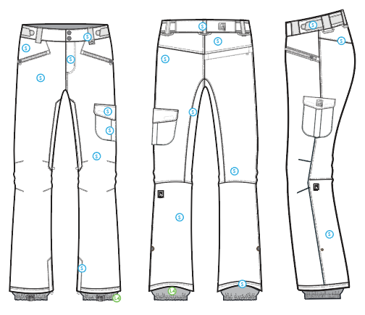
 |  |  |  | COLORWAYS
SHELL FABRIC | SUPPLIER/ REFERENCE NUMBER | LOCATION | CONTENT | COLORWAY 1 | COLORWAY 2 | COLORWAY 3 | COLORWAY 4 | COLORWAY 5
 | WIDE + / WNP122-BJ4SR4 *2L | S |  | COLOR

INSULATION | SUPPLIER/ REFERENCE NUMBER | LOCATION | CONTENT | COLORWAY 1 | COLORWAY 2 | COLORWAY 3 | COLORWAY 4 | COLORWAY 5 | 0
POLYFILL | PINNECO Mantle-B-040-152 | UPPER BODY | 100% POLYESTER | 40G

SEAM TAPE | SUPPLIER/ REFERENCE NUMBER | LOCATION | CONTENT | COLORWAY 1 | COLORWAY 2 | COLORWAY 3 | COLORWAY 4 | COLORWAY 5 | 0
CRITICALLY SEAM SEALED | TSGS | CRITICALLY SEAM SEALED |  | CRITICALLY SEAM SEALED

LINING | SUPPLIER/ REFERENCE NUMBER | LOCATION | CONTENT | COLORWAY 1 | COLORWAY 2 | COLORWAY 3 | COLORWAY 4 | COLORWAY 5 | 0
SOLID 210T | SOLIS / SONP006-1 | MAIN BODY | 100% NYLON | COLOR
SOLID 210T | SOLIS / SONP006-1 | BACK POCKET BAG | 100% NYLON | COLOR
SOLID COATED 210T | SOLIS / SONP006-PU03 | LOWER LEG FACING & GAITER | 100% NYLON | COLOR
BRUSHED TRICOT | SUPPLIER / REF CODE | WAISTBAND, FLY, HAND POCKET BAGS | 100% POLYESTER | COLOR
POWER STRETCH MESH | SUPPLIER / REF CODE | LEG VENTS | 100% POLYESTER | COLOR

MEASUREMENTS
NITRO WOMENS PANT
SEASON: |  | WINTER 2018/2019 |  |  |  |  |  |  | CONTRACTOR: |  |  |  | SOLUNA
STYLE NUMBER: |  | W18-202 |  |  |  |  |  |  | DATE CREATED: |  |  |  | 2017-03-28
STYLE NAME: |  | ELBRUS PANT 2L |  |  |  |  |  |  | DATE REVISED:
WATERPROOF/BREATHABILITY: |  | 15K/15K |  |  |  |  |  |  | BLOCK: |  |  |  | Based on N17-203 CYPRESS PANT fit
SEAM SEALING: |  | CRITICALLY SEAM SEALED |  |  |  |  |  |  | FIT: |  |  |  | REGULAR FIT
INSULATION: |  | 40G PINNECO MANTLE UPPER BODY |  |  |  |  |  |  | TARGET FOB: |  |  |  | $0.00
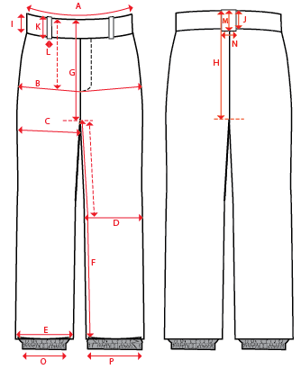
 |  |  |  |  | 1ST PROTO |  |  | 2ND PROTO |  |  | 3RD PROTO |  |  | S/SAMPLE |  |  | PP SAMPLE |  | FINAL
 |  |  |  | DATE: |  |  | DATE: |  |  | DATE: |  |  | DATE: |  |  | DATE:
 |  |  | TOL +/- | INITIAL MEASMNT | SAMPLE MEASURES | REVISE TO | REQUESTED | SAMPLE MEASURES | REVISE TO | REQUESTED | SAMPLE MEASURES | REVISE TO | REQUESTED | SAMPLE MEASURES | REVISE TO | REQUESTED | SAMPLE MEASURES | REVISE TO | APPROVED MEASMNTS
A | WAIST WIDTH |  | 0.25 | 17.25
B | HIP -7" DOWN FROM TOP EDGE OF WAIST TOP EDGE |  | 0.25 | 21.25
C | THIGH - 1" BELOW CROTCH |  | 0.25 | 12.75
D | KNEE -XS-12.75", S - 13", M-13.25", L-13.5" DOWN FROM CROTCH |  | 0.25 | 9.25
E | HEM OPENING |  | 0.25 | 11
F | INSEAM - FROM CENTER OF CROTCH |  | 0.25 | 33.5
G | FRONT RISE to crotch seam - INCL WAIST BAND |  | 0.125 | 9.875
H | BACK RISE to crotch seam - INCL WAIST BAND |  | 0.125 | 15.5
I | CF WAIST BAND HEIGHT |  | 0.125 | 2
J | CB WAIST BAND HEIGHT |  | 0.125 | 2
K | BELT LOOP LENGTH |  | 0.125 | 2.625
 | FRONT LEFT BELT LOOP LENGTH |  | 0.125 | 3
L | BELT LOOP WIDTH |  | 0.125 | 0.75
M | CB BELT LOOP LENGTH |  | 0.125 | 2.625
N | CB BELT LOOP WIDTH |  | 0.125 | 0.75
 | BACK POCKET OPENING WIDTH |  | 0.125 | 6.75
 | CARGO POCKET WIDTH |  | 0.125 | 6.5
 | CARGO POCKET FLAP WIDTH |  | 0.125 | 6.75
 | CARGO POCKET FLAP HEIGHT (AT CENTER) |  | 0.125 | 2.625
 | CARGO POCKET FLAP HEIGHT (AT SIDE) |  | 0.125 | 2
 | CARGO POCKET BAG HEIGHT (NOT INCLUDING FLAP) |  | 0.125 | 6.5
O | STORM CUFF RELAXED |  | 0.25 | 7.5
P | STORM CUFF STRETCHED |  | 0.25 | 12.5
ZIPPERS | FLY |  | 0.125 | 4
 | HAND POCKETS |  | 0.125 | 6.5
 | BACK POCKET HORIZONTAL |  | 0.125 | 6.75
 | THIGH VENTS |  | 0.125 | 9
 | HEM GUSSETS |  | 0.125 | 8

